Jet part sales
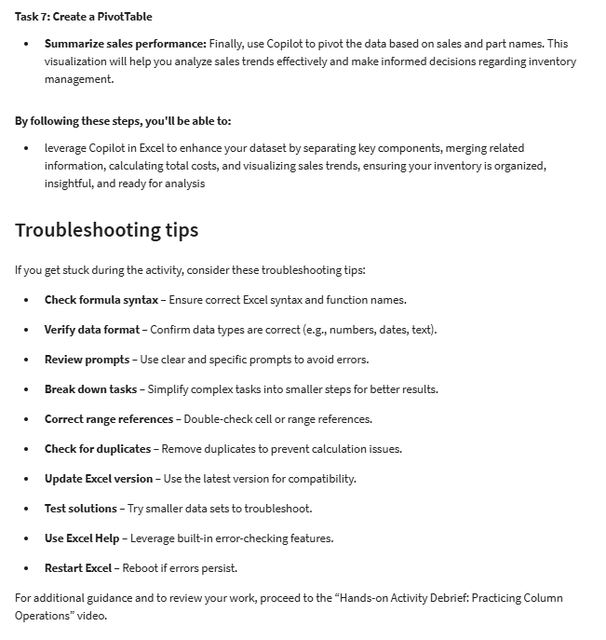
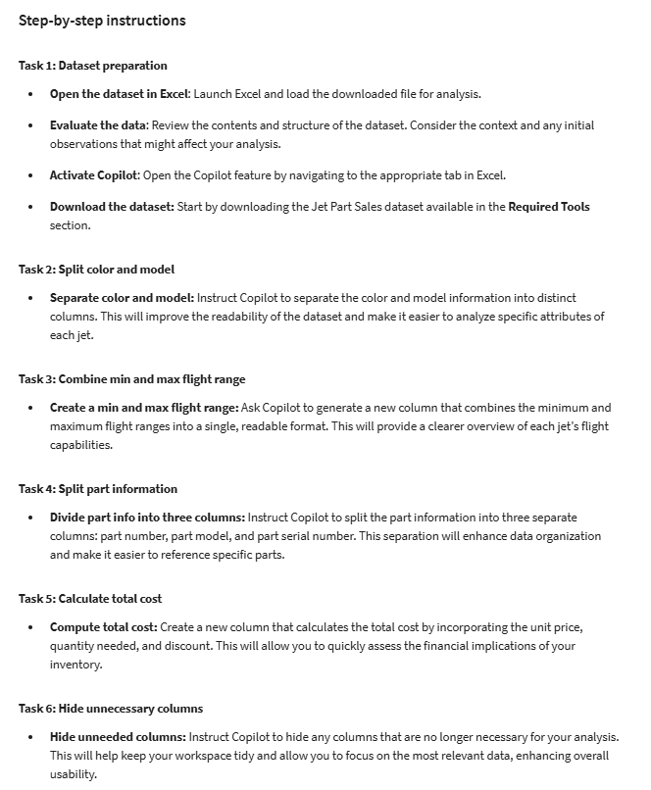
Jet Info | Min Flight Range | Max Flight Range | Part Name | Size | Part Info | Unit Price | Quantity Needed | Discount | Sales November | Sales December | Sales January
Red Boeing | 1,000 miles | 2,500 miles | Wing | 100 sq ft | 111 - ENG747L - 001 | $5,000 | 2 | 10% | $12,000 | $15,000 | $10,000
Blue Lockheed | 1,200 miles | 2,800 miles | Engine | 2000 lbs | 222 - ENGSR71 - 002 | $15,000 | 1 | 15% | $5,000 | $7,000 | $8,000
Green Cessna | 800 miles | 1,500 miles | Tail | 50 sq ft | 333 - TAILCIT - 003 | $2,000 | 4 | 5% | $4,500 | $6,500 | $3,000
Yellow Airbus | 1,400 miles | 3,000 miles | Cockpit | 300 sq ft | 444 - COCKPITA380 - 004 | $12,000 | 1 | 20% | $10,000 | $12,000 | $15,000
Black Bombardier | 900 miles | 2,200 miles | Landing Gear | 1500 lbs | 555 - LANDCRJ - 005 | $8,000 | 3 | 10% | $6,000 | $9,000 | $11,000
Silver McDonnell | 1,000 miles | 2,300 miles | Fuel Tank | 500 gallons | 666 - FUELMD11 - 006 | $3,000 | 5 | 5% | $4,000 | $3,500 | $4,200
Orange Embraer | 700 miles | 1,800 miles | Flaps | 75 sq ft | 777 - FLAPSERJ - 007 | $2,500 | 2 | 10% | $2,500 | $3,000 | $2,800
White Dassault | 750 miles | 1,600 miles | Engine | 1800 lbs | 888 - ENGDAF - 008 | $14,000 | 1 | 15% | $9,000 | $11,000 | $10,500

